Convention Details
 |  | Convention Travelling Date in Year 2026

Provider | Venue | Launch of Income FA Incentive Trip Challenge | Qualifying Period | Qualifying Criteria | Special
Singlife | Santiago, Chile | 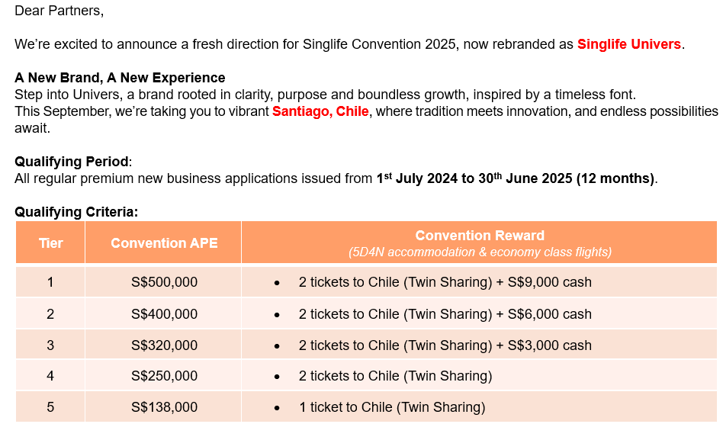 | 1 July 2024 to 30 June 2025 | Convention Reward = (twin sharing accommodation & economy class flights) S$500,000 APE = 2 tickets to Chile (Twin Sharing) + S$9,000 cash S$400,000 APE = 2 tickets to Chile (Twin Sharing) + S$6,000 cash S$320,000 APE = 2 tickets to Chile (Twin Sharing) + S$3,000 cash S$250,000 APE = 2 tickets to Chile (Twin Sharing) S$138,000 APE = 1 ticket to Chile (Twin Sharing)
Etiqa | Barcelona | 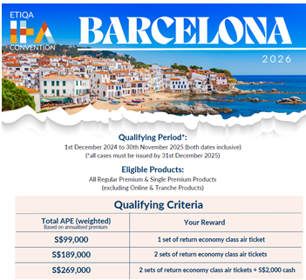 | 1 Dec 2024 to 30 Nov 2025 | We are excited to announce the upcoming 2026 ETIQA IFA Convention destination to SPAIN, BARCELONA! Discover the best of BARCELONA with us! Qualifying Period: Application received between 1st Dec 2024 – 30th Nov 2025, issued by 31st Dec 2025. 1ST Qualifying Ticket (weighted APE) : S$99,000 2nd Qualifying Ticket (weighted APE) : S$189,000
Manulife | VIENNA, AUSTRIA | 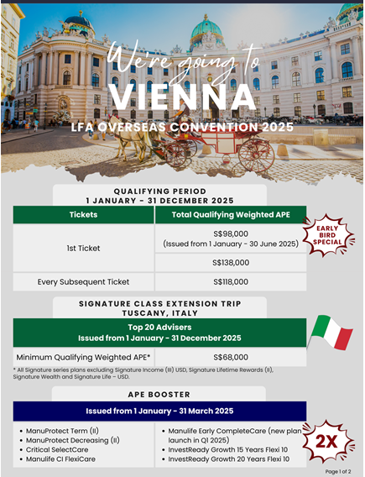 | 1 Jan to 31 Dec 2025 | Qualifying Period: Application received between 1 Jan – 31 Dec 2025, issued by 31st Dec 2025. 1ST Qualifying Ticket (weighted APE) : S$98,000 (Issued from 1 Jan to 30 Jun 2025) 1ST Qualifying Ticket (weighted APE) : S$138,000 Every Subsequent Ticket (weighted APE) : S$118,000
Income | ROMANIA | 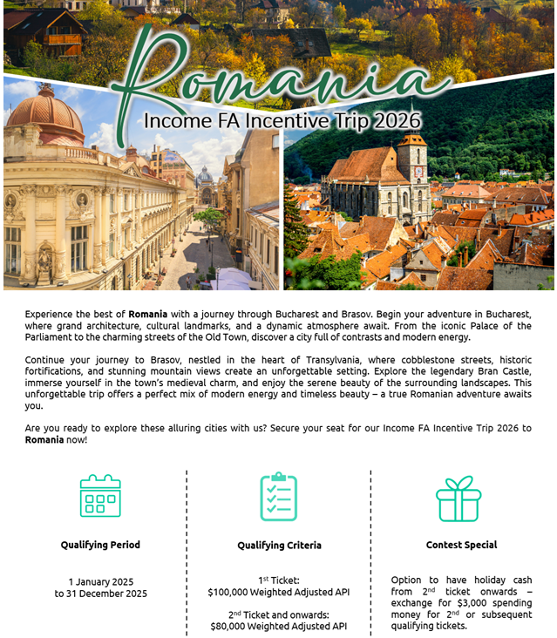 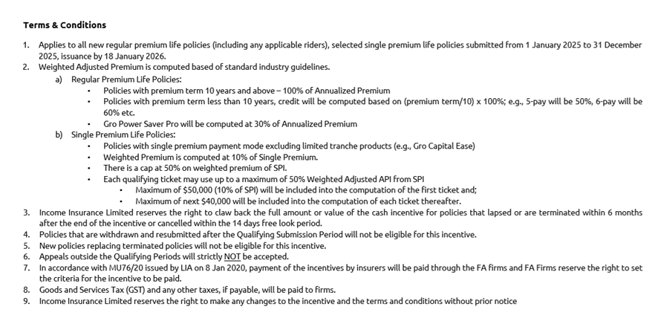 | 1 Jan to 31 Dec 2025 | Qualifying Period: Application received between 1 Jan – 31 Dec 2025, issued by 31st Dec 2025. 1ST Qualifying Ticket (weighted APE) : S$100,000 2ND Qualifying Ticket (weighted APE) : S$80,000 Option to have holiday cash from 2nd ticket onwards
Tokio Marine | Cape Town, South Africa | 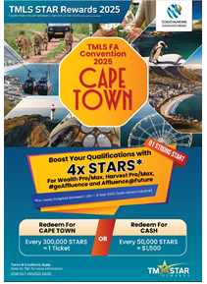 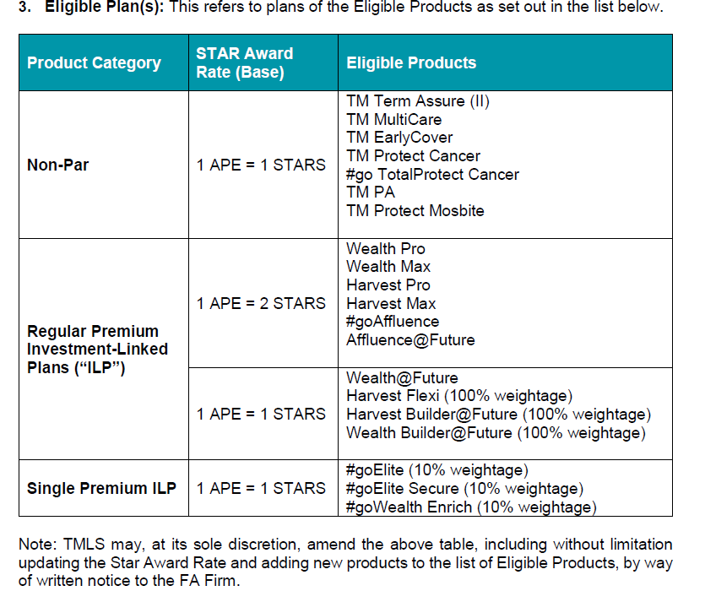 | 1 Jan to 31 Dec 2025 | Every 300,000 stars for 1 ticket
FWD | Morocco | 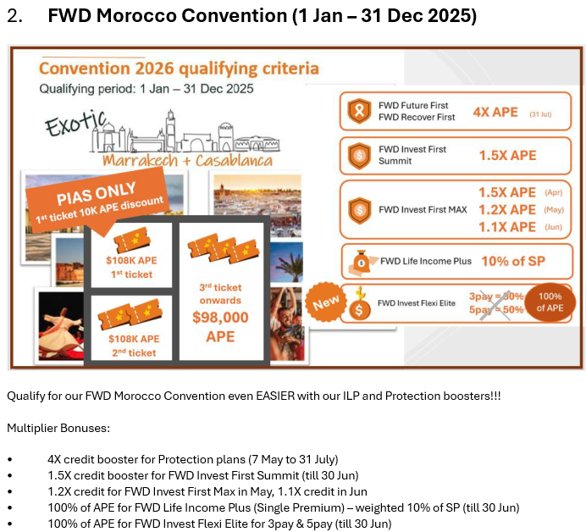 | 1 Jan to 31 Dec 2025 | 1st Qualifying Ticket: S$108,000 2nd Qualifying Ticket: S$108,000 3rd Qualifying Ticket & Onwards: S$98,000

